Sheet1
Best r2 scores Copenhagen |  |  |  | *LOOCV = leave-one-out cross validation
 |  |  |  | *average = average score of model with 10 different train/test splits
Model | Eval method | Train r2 | Test r2
Linear Regression | LOOCV |  |  | GBR 5000 datapoints
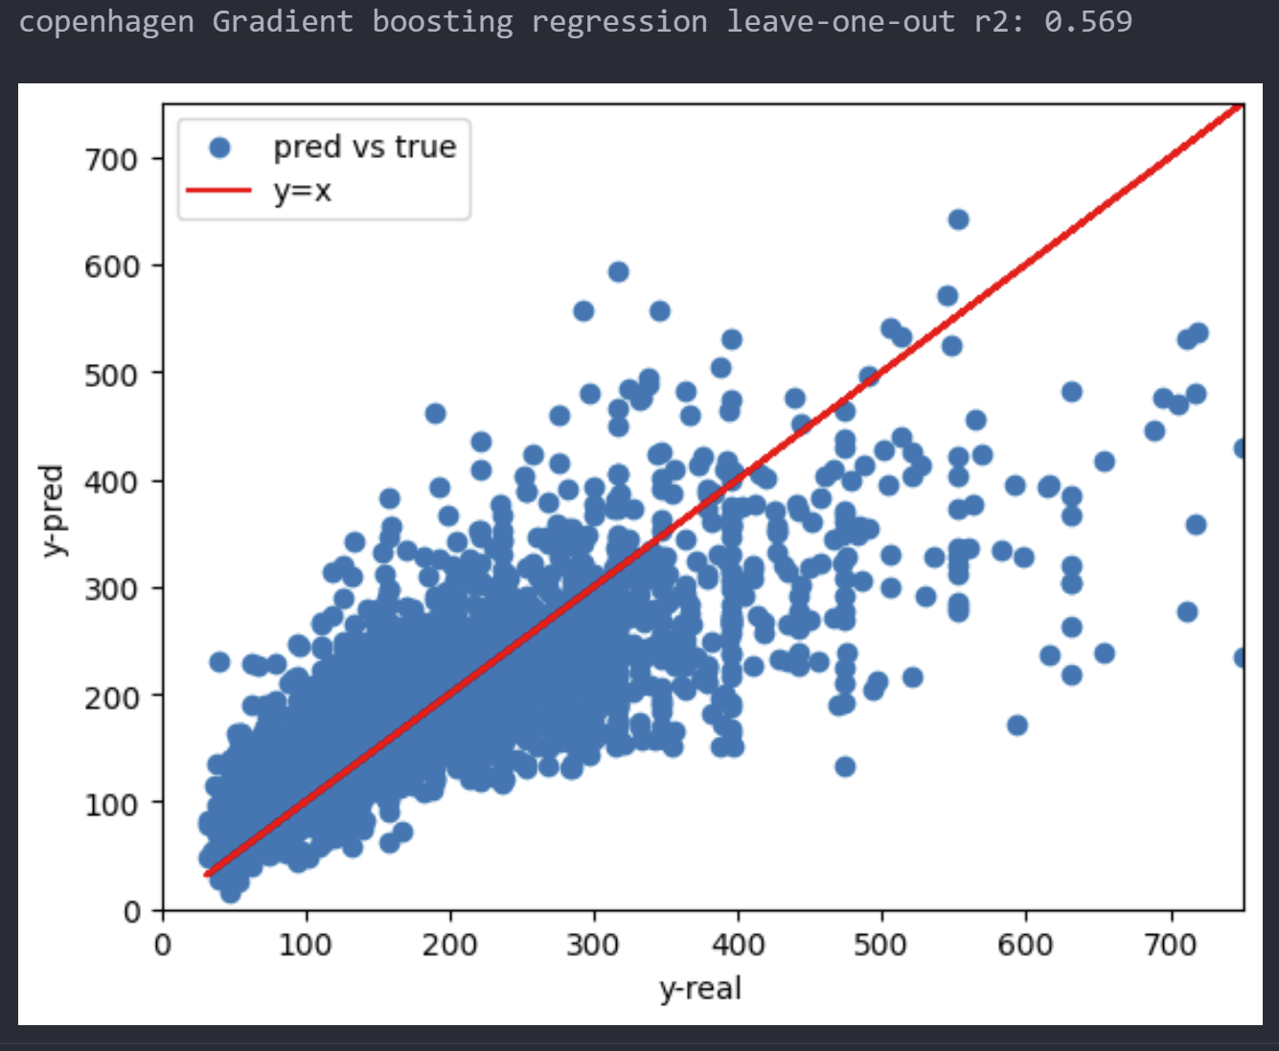
Linear Regression | Average | 0.5155 | 0.5147
NuSVR | Average | 0.621 | 0.5363
Gradient Boosting | Average
Random Forest | Average
XGBoost | Average
Neural Network | Average

